TEDB Edition 40
The most common reasons cited for bike sharing trips were connecting to transit, social trips, and commuting to and from work. A higher percent of shared scooter trips was attributed to recreation/exercise. Connection to transit and social purposes were a greater percent of shared bike trips.

Figure 7.6. Reasons for Using Shared Bikes and Scooters, 2018
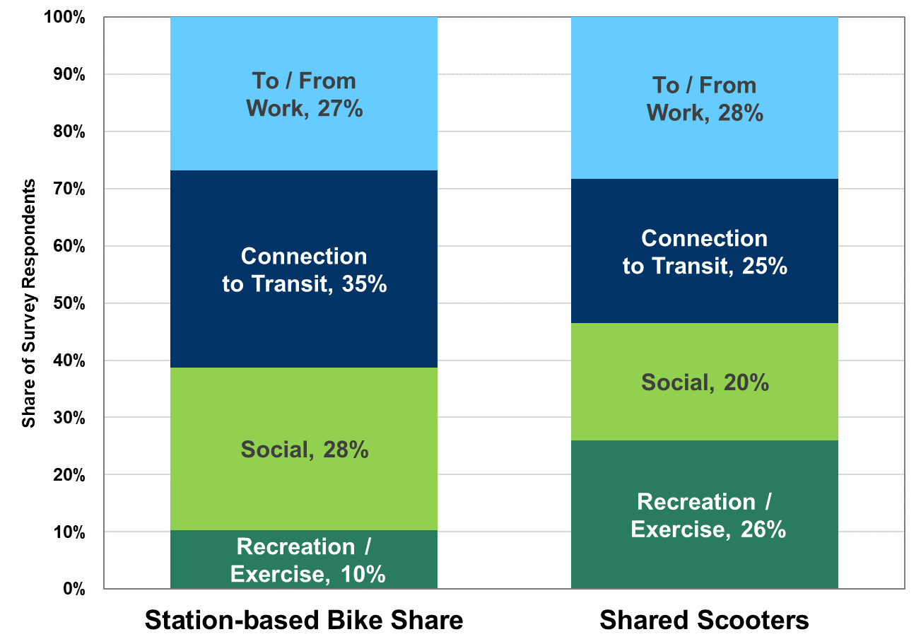

Why people ride? | Station-based Bike Share | Shared Scooters
Recreation / Exercise | 10% | 26%
Social | 28% | 20%
Connection to Transit | 35% | 25%
To / From Work | 27% | 28%
Total | 100% | 100%

Notes: Data were not released for 2019. Data for scooters come from Denver, Portland, and Baltimore. Data for bike share come from Washington, DC, New York City, and Chicago. The social and recreation/exercise categories were only available from Washington, DC.

Source:
National Association of City Transportation Officials (NACTO), Shared Micromobility in the U.S.: 2018, April 2019. (Additional information: nacto.org/2019/04/17/84-million-trips-on-shared-bikes-and-scooters)

